Period 2
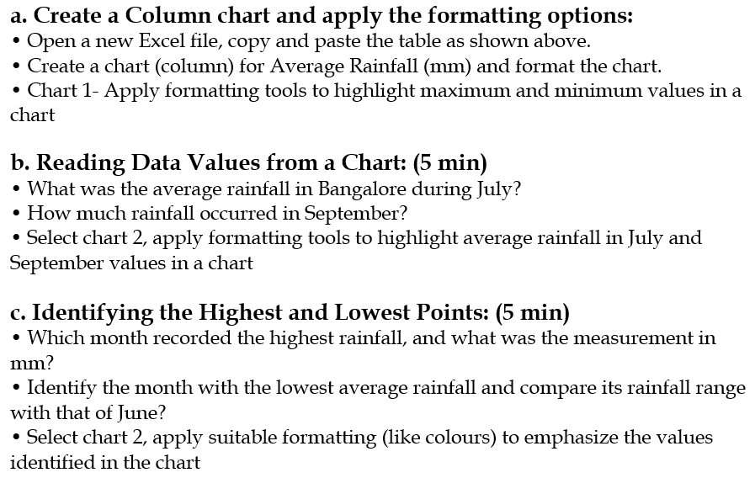
Weather Data (Bangalore - 2024)
Month | Average Rainfall (mm)
January | 5
February | 10
March | 15
April | 30
May | 55
June | 110
July | 125
August | 140
September | 130
October | 186
November | 60
December | 20

Sheet1
a. Reading Data Values:
· What was the average temperature range in Bangalore during the month of July?
· How much rainfall did Bangalore receive in the month of September?
· Identify the average humidity percentage in August and compare it with December.
b. Identifying the Highest and Lowest Points:
· Which month recorded the highest rainfall, and what was the recorded amount?
· Identify the month with the lowest average temperature and explain the difference compared to the hottest month.
· Which month had the least rainfall, and how does it compare to the month with the highest rainfall?
HL: During the monsoon period (June to September), which month had the highest rainfall, and how did it impact the temperature?

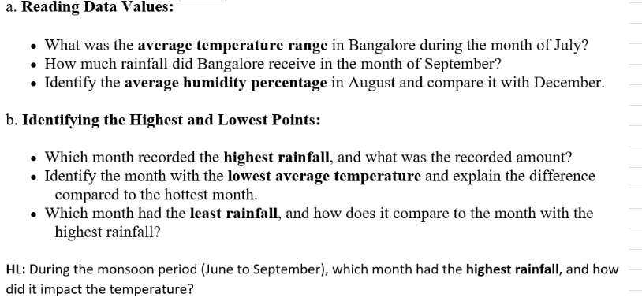
1. Reading Data Values:
Average temperature range in July:
20°C - 28°C
Rainfall in September:
130 mm

Average humidity in August compared to December:
August: 78% (higher humidity due to monsoon rains)
December: 65% (cool, dry weather)

2. Identifying the Highest and Lowest Points:
Month with the highest rainfall:
October, with 186 mm of rainfall (record-breaking rain causing flooding).

Month with the lowest average temperature:
January, with a temperature range of 17°C to 28°C.

Hottest month: April, with 22°C to 34°C.

Temperature difference: April is approximately 6°C hotter than January.

Month with the least rainfall:
January, with only 5 mm of rainfall, compared to October’s 186 mm (the highest rainfall).

HL: Data Analysis:
Monsoon rainfall peak (June to September):
August had the highest rainfall (140 mm) during the monsoon, resulting in high humidity (78%) and cooler temperatures (20°C - 27°C).

